Bug Report
Defect Report |  | Defect Report |  | Defect Report | Defect Report

Bug ID | BUG_001 | Bug ID | BUG_002 | Bug ID | Bug ID
Title | Photo attached to the transactions don't appear in the transactions details | Title | The date Range in the transaction module shows transactions outside the range selected | Title | Title
Module | HisabDo App - Transactions | Module | HisabDo App - Transactions | Module | Module
Environment | HisabDo App | Environment | HisabDo App | Environment | Environment
Steps to Reproduce | 1- Add a transaction 2- Attach a photo from gallery/camera 3- Save 4- Show trasaction details | Steps to Reproduce | 1- Open transaction filters 2- Select a valid From/To date range | Steps to Reproduce | Steps to Reproduce
Expected Result | Photo is attached and viewable when showing the transaction details | Expected Result | Only transactions within the selected range are displayed | Expected Result | Expected Result
Actual Result | Photo is attached but not shown in the transactions details | Actual Result | All transaction displays not only the selected range | Actual Result | Actual Result
Severity | Low | Severity | Low | Severity | Severity
Priority | Medium | Priority | Medium | Priority | Priority
Screenshot | 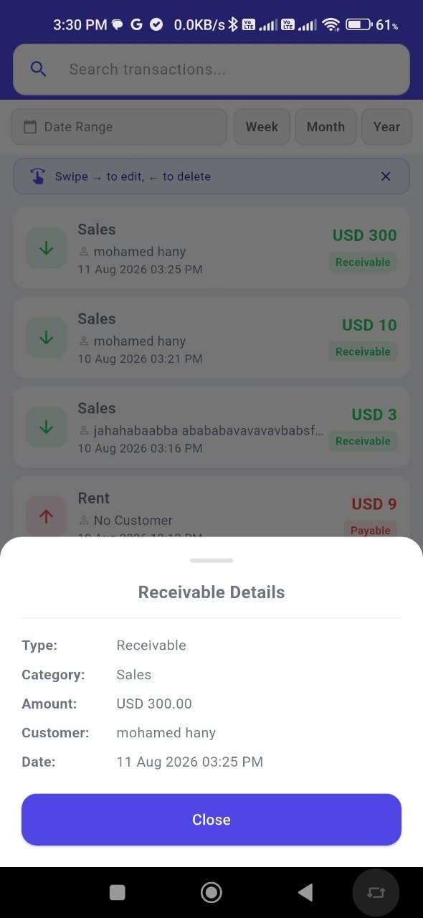 | Screenshot | 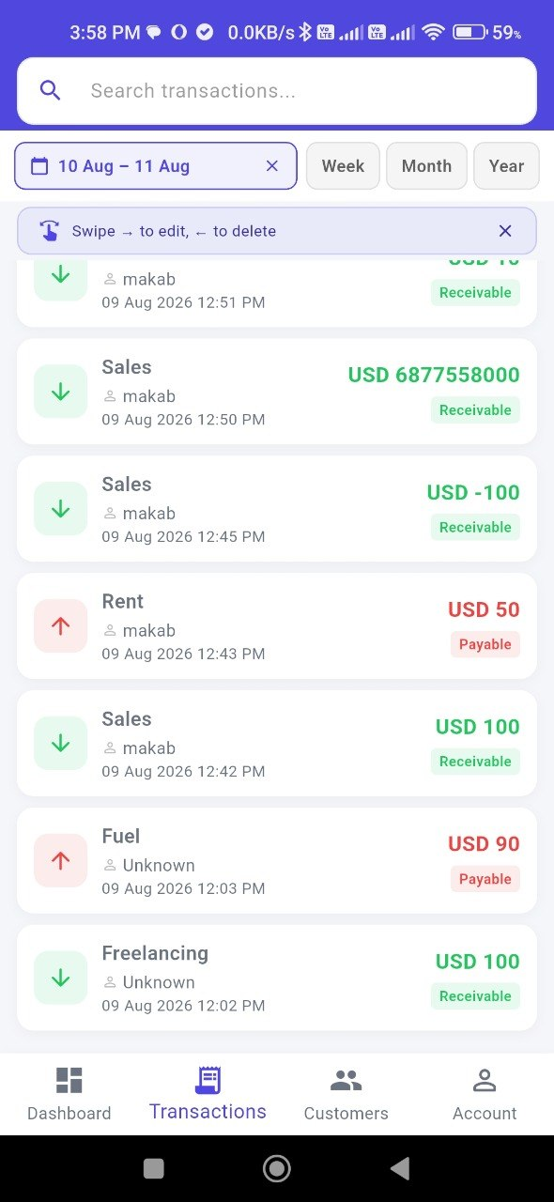
Status | open | Status | open

